1. Title Page
Project Name: Instacart: Customer Segmentation & Revenue Insights
Date: Jan 27, 2025
Analyst Name: Amy Zhang

Contents:

Consistency checks
Wrangling steps
Column derivations
Visualizations
Recommendations

2. Population Flow
Title page

Population flow

Exclusion flag
Condition: max_order < 5
Obervations to be removed: PII data: first_name, last_name
Final total count of order_products_all: 30,991,542

Orders_products_combined
Orders_products_merged
Orders_products_all

Total: 32,433,030 rows x 15 columns
Total: 32,434,489 rows x 10 columns
Total: 32,433,030 rows x 34 columns

1.) The grey boxes in the first row of the population flow represent the original data sets as they were when you downloaded them. In the Total fields you need to add the count of the rows when you imported the data set into Jupyter.
2.) The second row of boxes (coloured) represents the data sets after you manipulated them, e.g., removed missing values and duplicates. In the Total fields you need to add the count of the rows after conducting these operations. This offers a visual oveview of how the data flows throughout the data consistency checks.
3.) The third row, where also the arrows are coloured, represents the merges you performed between the datasets. In the Total fields you need to add the count of the rows in the merged datasets, so that you end up with the final dataset (in the red box). Keep in mind the final dataset should be without exclusions (based on the exclusion flag).

3. Consistency checks
 |  |  |  |  | Title page
Consistency checks

Dataset | Missing values | Missing values treatment | Duplicates
orders | days_since_prior_order': 206,209 | Leave as NaN (Replacing as 0 will affect summary statistics; could also conflate first-ever orders with Instacart (which inherently lack prior orders) and instances where multiple orders occur on the same day. * |  | * In all likelihood, the NaN just indicates first ever orders, as 206,209 is the exact number of customers in the dataset as well-- these NaN probably indicates each one's first order.
products | product_name: 16 | Flagged as 'Delinquent' - not removed, because missing values represent only 6% of the dataset. | 5 duplicates -- dropped
orders_products_prior | n/a |  | n/a
customers | 11,259 missing 'first name' | Kept - does not hinder analysis (will be removed for PII eventually) | n/a

Dataset | OUTLIERS | Treatment
products.csv | 2% reduced fat milk | Listed price: $99,999.00
 | Lowfat 2% Milkfat Cottage Cheese | Listed price: $14,900.00
 |  | Impute price using average of milk products ($7.26) and average of cheese products ($7.80)

4. Wrangling steps
 |  |  |  | Title page
Wrangling steps

Columns dropped | Columns renamed | Columns' type changed | Comment/Reason
eval_set' (orders.csv) |  |  | Not meaningful for analysis; all the same value.
 | order_dow' (orders.csv) |  | change to 'order_day_of_week' for clarity
 |  | order_id' and 'user_id' (orders.csv) | Change to string, so describe() function can exclude.
 | order_hour_of_day (orders.csv) |  | change to 'order_time' for clarity
 |  | order_id' and 'product_id' (orders_products_prior.csv) | Do not need for summary statistics.
Unnamed' in orders_products_combined.pkl |  |  | Just the index from the original orders.csv
 | add_to_cart' (orders_products_combined.pkl) |  | cart_position' for clarity
 | reordered' (orders_products_combined.pkl) |  | reorder_status' for clarity
 |  | product_id, aisle_id, department_id (products.csv / post-merge) | String, so can exclude from describe() function
 | Surnam' to 'last name' (customers.csv)
 | All columns renamed to lowercase (customers.csv)
 |  | user_id' (customer.csv) | Changed to string.
 |  | first name' (customer.csv) | Mix --> change to string
'aisle_id" (not initially dropped, but could be)

5. Column derivations
 |  |  |  | Title page

Column derivations and aggregations

In this tab you should add tables below that the frequences of flags/label variables that you produced after deriving them. NB: don't do this for continuous variables, only for flags.
Dataset | New column | Column/s it was derived from | Conditions
1) products | delinquent_status | product_name | NaN
2) ords_prods_merge | _merge | product_id | inner join
3) opm_df_imputed | price_range_loc | prices | High Range (x>15); Mid-Range (5<x<=15); Low-Range (x<=5)
4) opm_df_imputed | day_label | order_day_of_week | Busiest days: Saturday, Sunday; Least Busy: Tuesday, Wednesday; elseif: Regulardly Busy
5) opm_df_imputed | busiest_period_of_day | order_time | Use quartiles from range of order counts per hour
6) opm_derived | max_order / loyalty flag | order_number | Loyal (>40), Regular (<=40 and >10); New (<=10)
7) opm_derived | avg_order_price / spending flag | prices | High Spender vs. Low Spender (Mean Price of Products Purchased is below or above 10)
8) opm_derived | frequency_flag | days_since_prior_order | If median of days_since_prior_order is >20, then Non-frequent; 10<x<=20, then Regular; else, Frequent

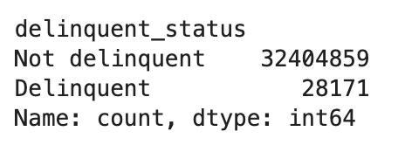
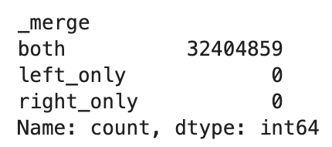
1) |  |  | 2)

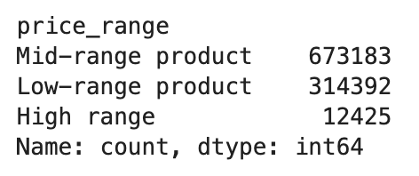
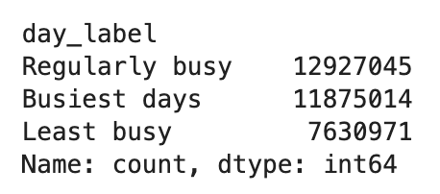
3)
 |  |  | 4)

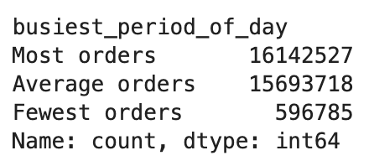
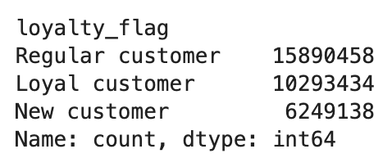
5) |  |  | 6)

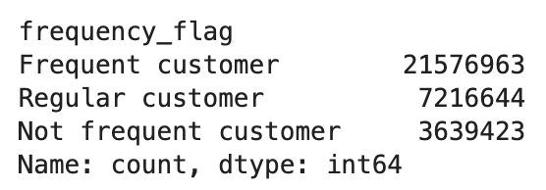
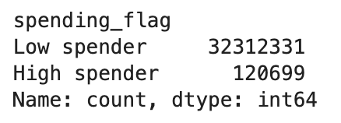
 |  |  | 8)
7)

6. Visualizations
 |  |  |  |  | Title page

Visualisations

 |  |  |  |  | See: 'Instacart_4.10.2_AZ.pdf'
Visualizations from Task 4.9

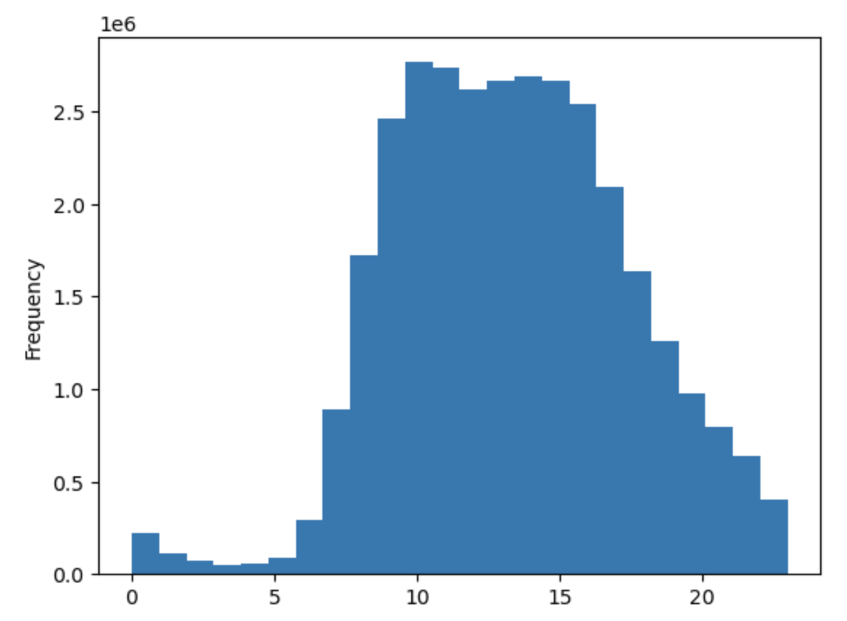

 |  | Histogram of 'Order Time'

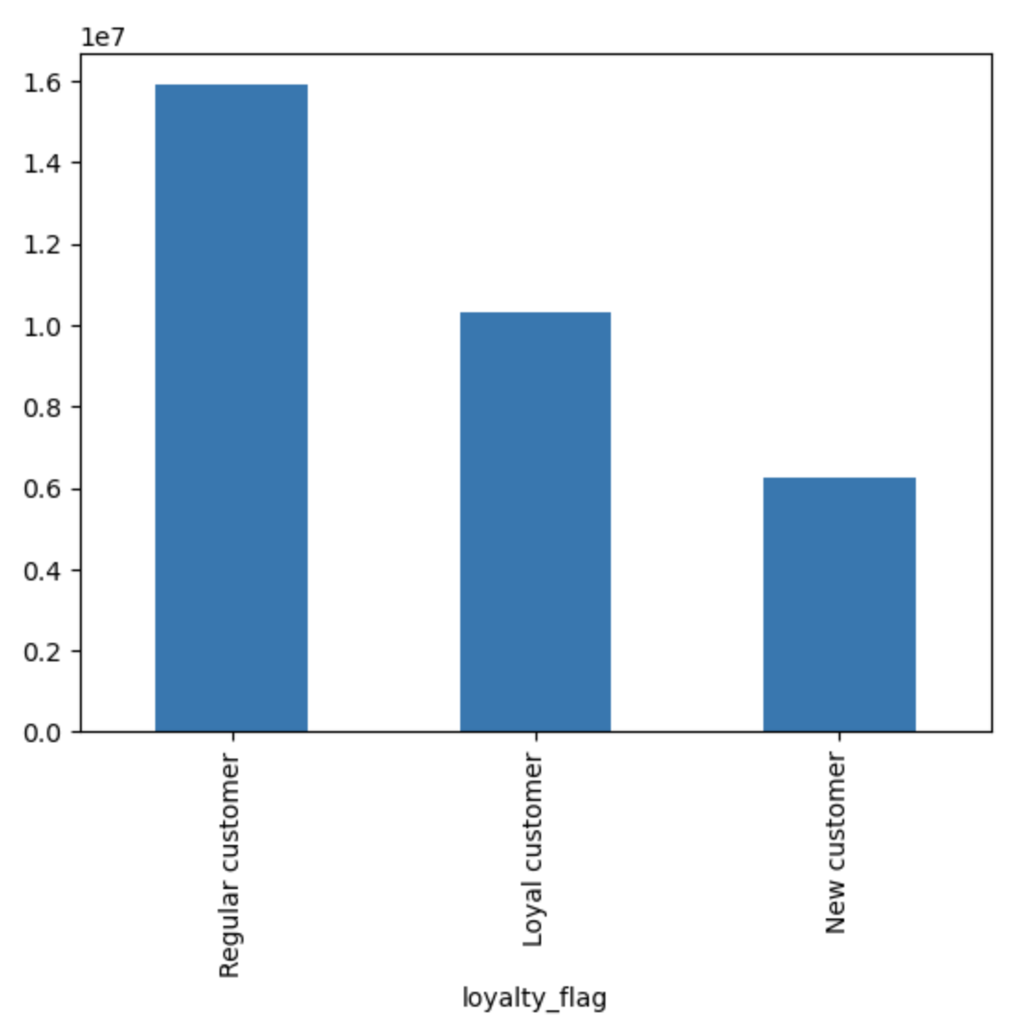

 |  | Loyalty_flag Bar Chart

 |  | Majority of Instacart customers are Regular customers.

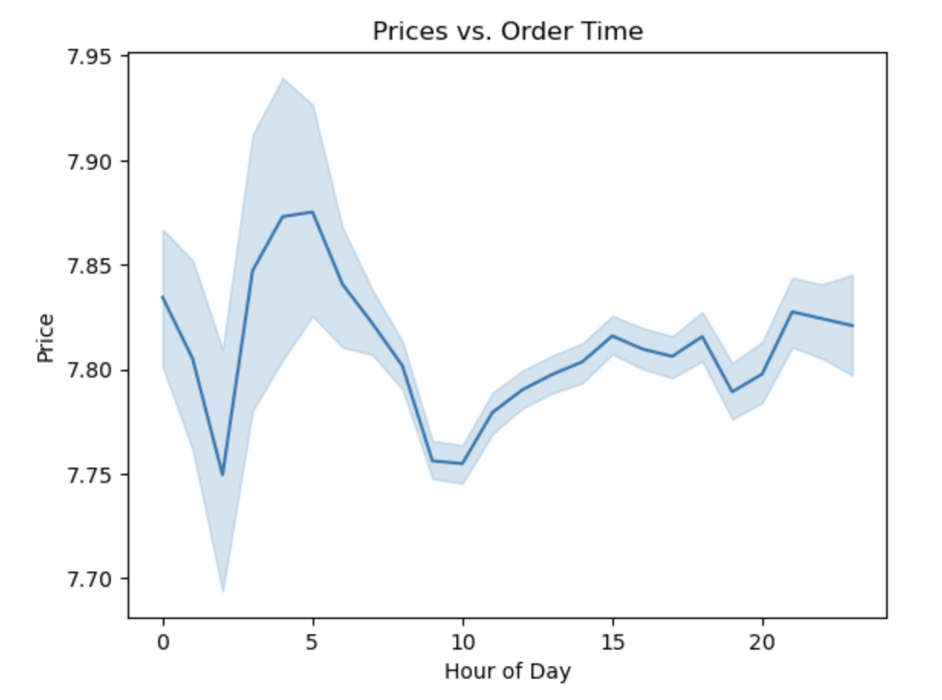

 |  |  | Purchase price ranges fluctuate throughout the day, skewing the average product price up, particularly in the eary morning hours.

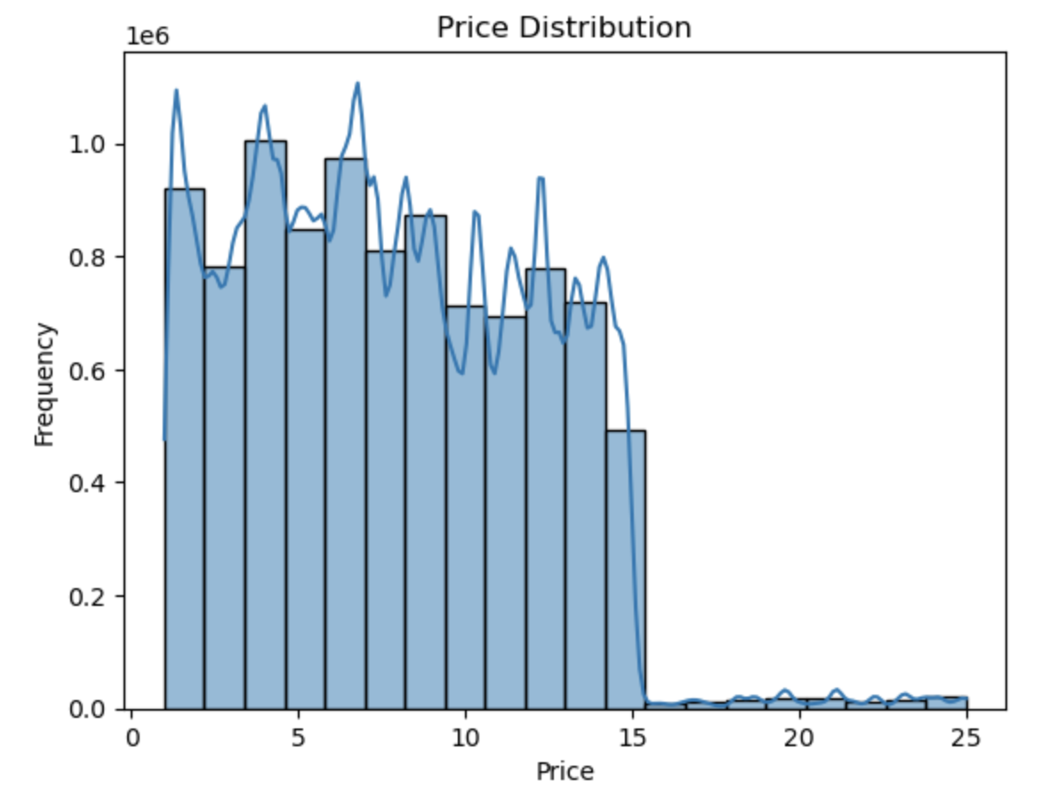

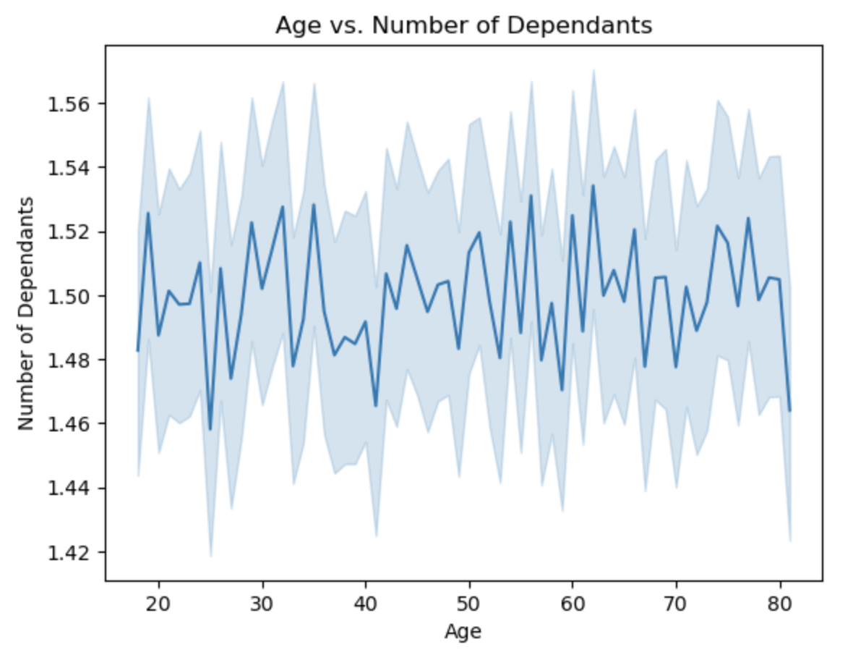
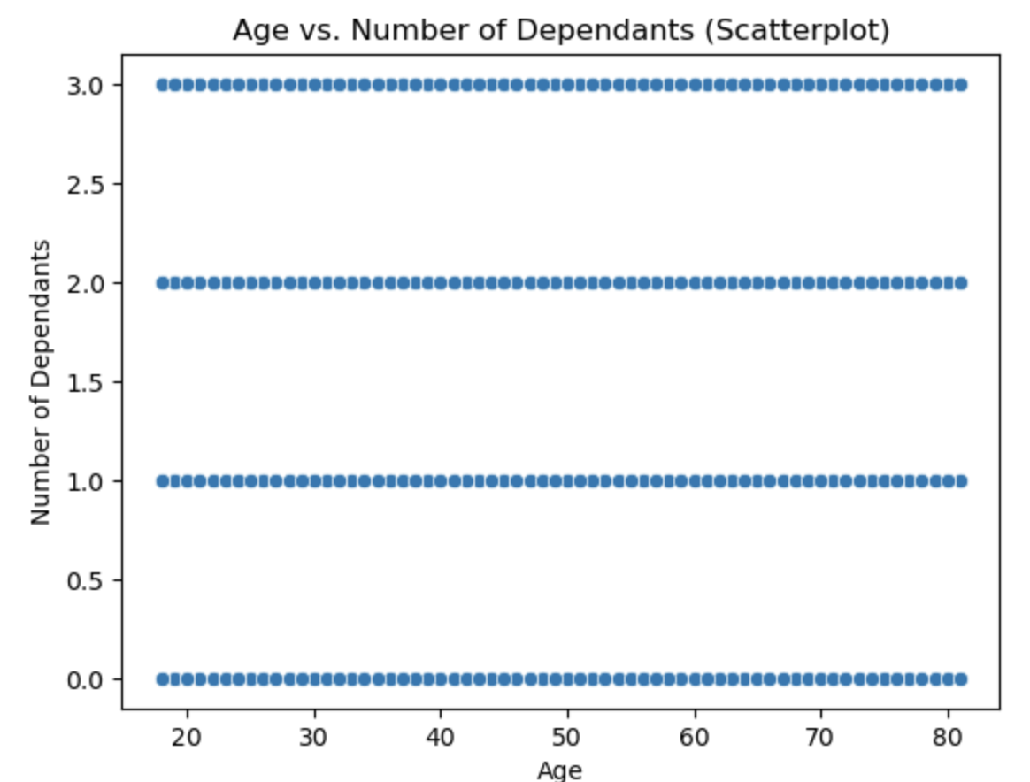
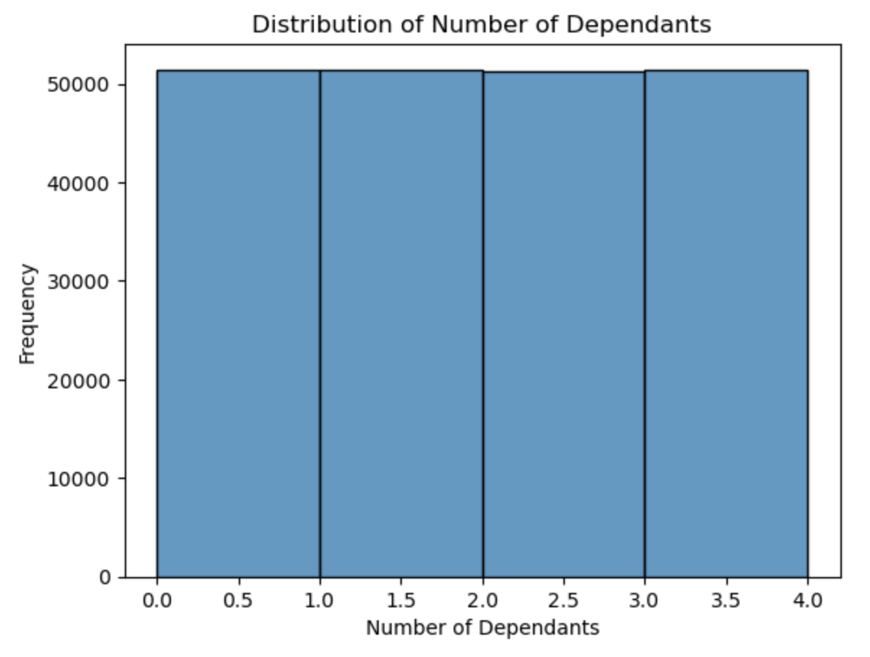

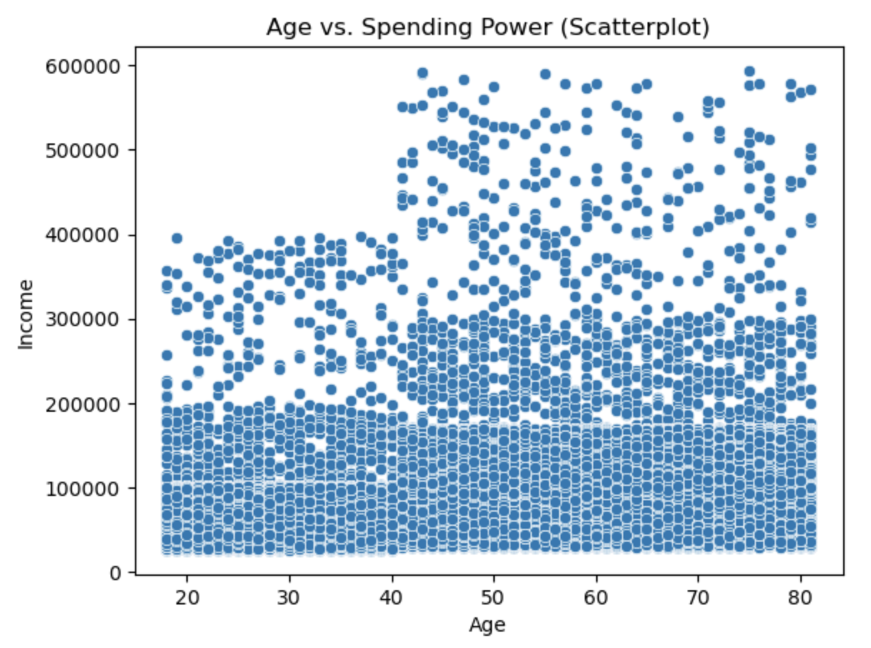

 | Visualizations from 4.10

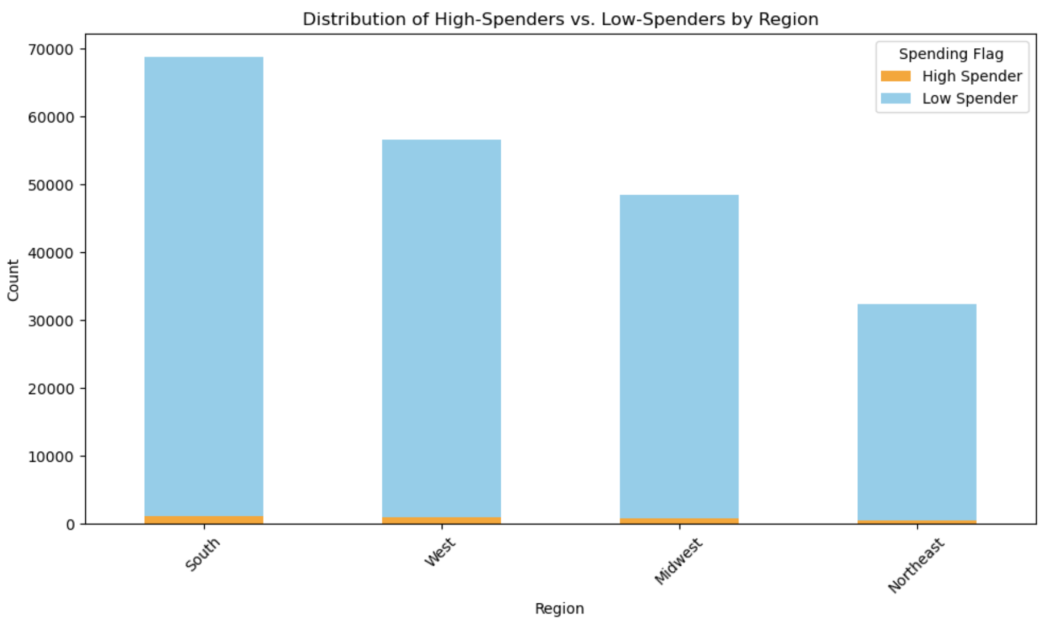

 |  |  |  | The vast majority of Instcart customers are Low Spenders (the average price of products purchased are below $10). The Southern region has the largest customer base.

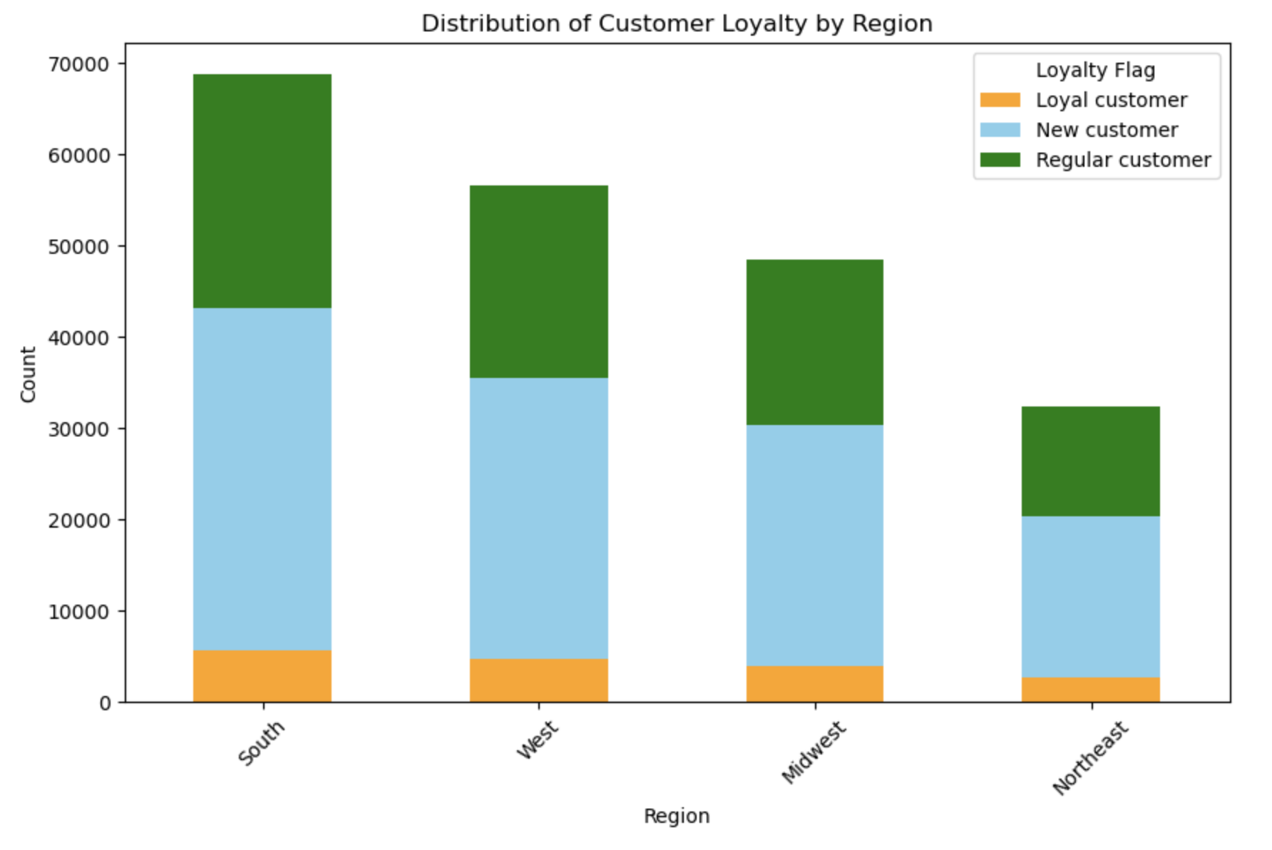

 |  |  |  | Loyalty as a customer trait proportionally scales with customer base population.

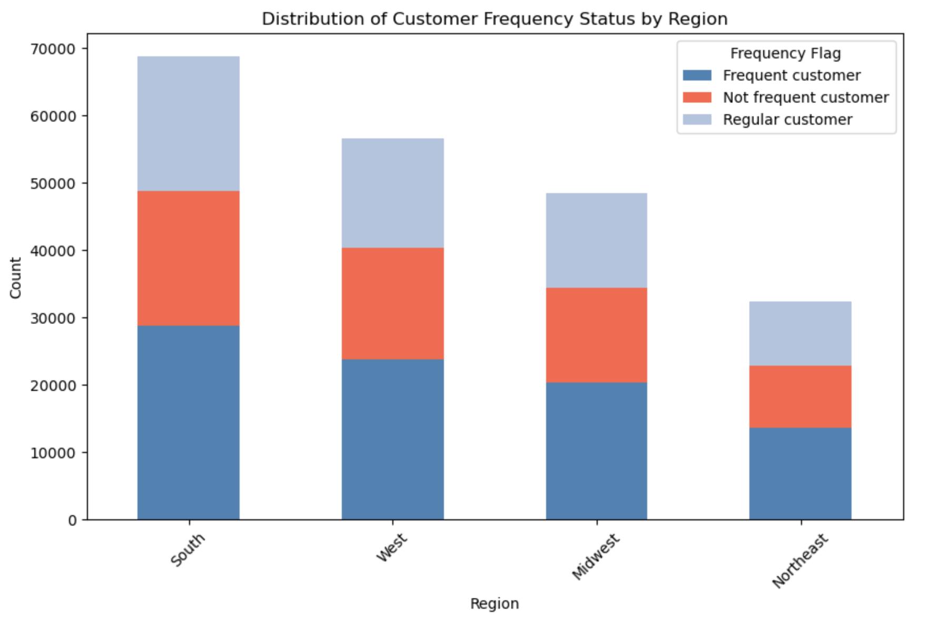

 |  |  |  |  | Frequency as a customer trait proportionally also scales with customer base population.

7. Recommendations
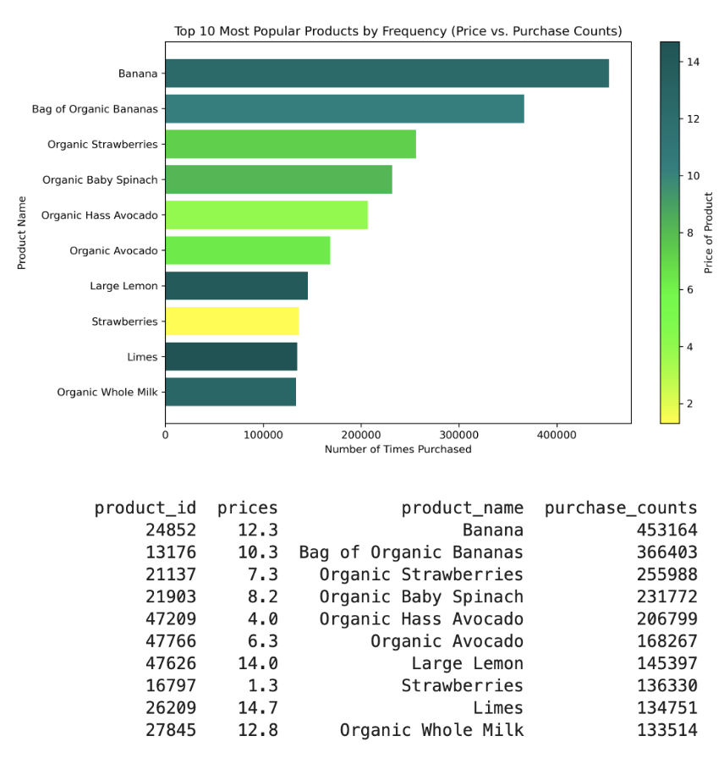
 |  |  | Title page

Recommendations

In this tab you should include any recommendations you would made to Instcart in terms of their marketing strategy based on the questions posed in the brief. Every key question has been covered in the Tasks of the Exercises - here you need to add an item - a visualisation or table/crosstable that is showing the answer in the data, acompanied by a comment from you. Please, list the questions below and add the answer underneath.
 |  | See: 'Instacart_4.10.2_AZ.pdf'

Question | Answer
Key Question 1 | The busiest days of the week, by order frequency, are Sunday and Saturday; the busiest hours of the day are from 8a,m - 6pm (orders are above the mean)
Key Question 2 | People's average expenditure per cart is above the mean at the following times: 3am-5am, 6am-8:30am, 10am-2:30pm, and around 8pm-12.30 am .The peak is at 10 pm.
Key Question 3 | Price range groupings will only be meaningful on a department by department basis, as price ranges across all departments will be skewed by both the higher price range of meat and seafood products, and the lower price range of snacks.
Key Question 4 | * See visualization below.
Key Question 5 | The majority of customers are Regulars; their max order is between 10 and 40.
Key Question 6 | There is a difference in the proportion of purchases that are reorders, among different loytaly groups.
Key Question 7 | For demographic segment customer behavior questions, see 'Instacart_4.10.2_AZ.pdf'

